Indices

 | Iraq Stock Exchange
 | Bulletin No (67)
 | ISX Trading Indices of Monday 20/4/2026

 | Traded Volume and OTC |  | 2,425,646,052 |  | Traded Value and OTC |  | 2,011,255,647 |  | Traders | 1400

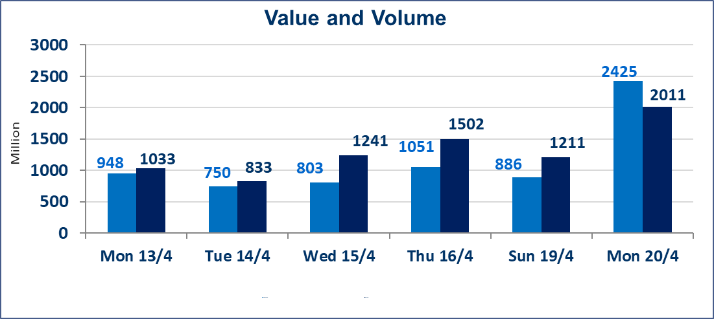
 | ISX Index 60 |  |  | 990.77 | ISX Index 15 |  |  | 1287.67
 | Previous ISX Index60 |  |  | 989.12 | Previous ISX Index15 |  |  | 1288.39
 | Change % |  |  | 0.17 | Change % |  |  | -0.06
 | Change |  |  | 1.65 | Change |  |  | -0.72

 | Listed Companies | 104 | OTC | 14 | Non Traded listed | 41 | OTC | 11
 | Traded Listed Companies | 55 | OTC | 3 | Higher Companies |  |  | 17
 | GAM Companies |  |  | 0 | Lower Companies |  |  | 10
 | Suspended Companies |  |  | 8
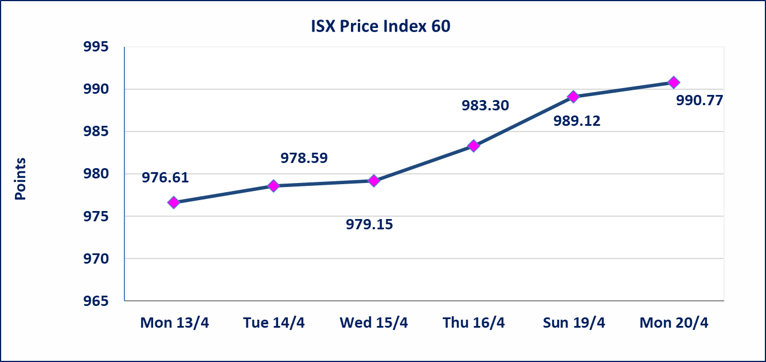
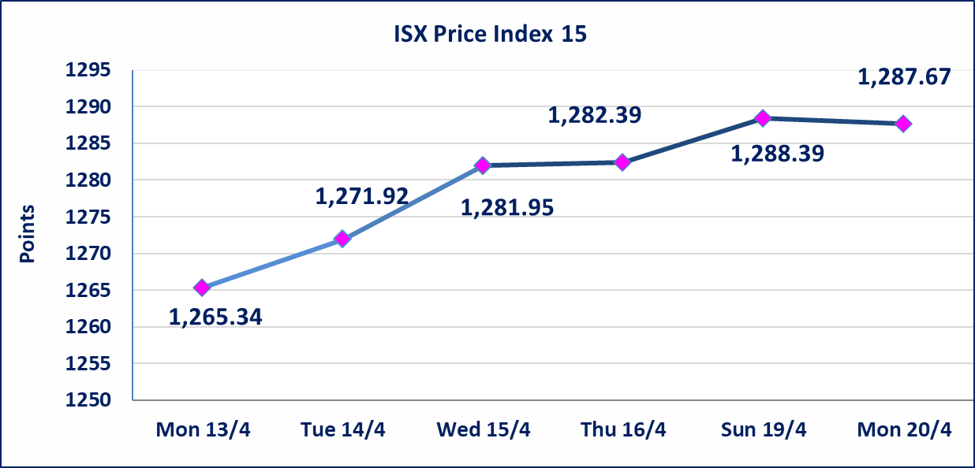

Al-Alwiya P.O . 3607 Mobile: 07711211522 - 07270094594 - 07834000034 E-mail: info-isx@isx-iq.net Web site:www.isx-iq.net

Top 5
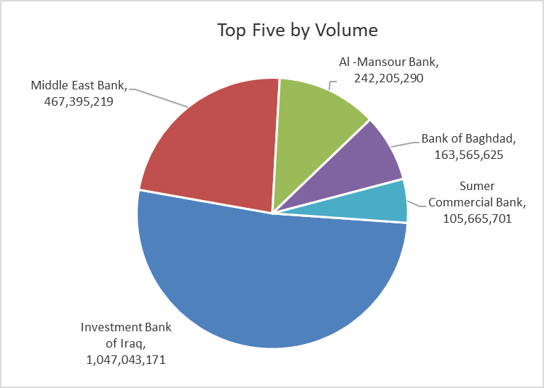
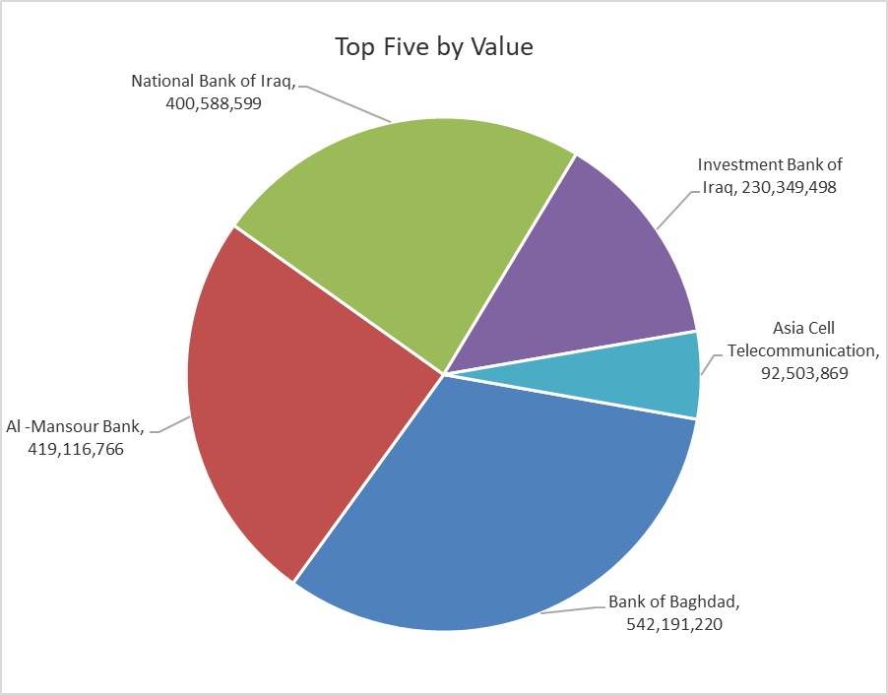

ISX top ganing and losing companies
Monday 20/4/2026
 | Gainers |  |  |  | Losers
 | Company Name | Closing Price | Change (%) | Traded Volume | Company Name | Closing Price | Change (%) | Traded Volume
 | Middle East Bank | 0.110 | 10.00 | 467,395,219 | Rehab Karbalaa | 0.600 | -4.76 | 200,000
 | Babil Animal & Vegetable Production | 9.480 | 4.98 | 193,138 | Electronic Industry | 1.620 | -4.71 | 50,000
 | Investment Bank of Iraq | 0.220 | 4.76 | 1,047,043,171 | Economy Bank | 0.210 | -4.55 | 2,000,000
 | Ashur International Bank | 0.250 | 4.17 | 47,867,682 | Al-Hamraa for Insurance | 4.400 | -2.87 | 4,296
 | Dar Al-Salam for Insurance | 0.760 | 4.11 | 105,000 | National Chemical &Plastic | 1.860 | -1.59 | 730,972
 | The most active companies in term of traded volume and value

 | Traded Volume |  |  |  | Traded Value
 | Company Name | Closing Price | Change (%) | Traded Volume | Company Name | Closing Price | Change (%) | Traded Value
 | Investment Bank of Iraq | 0.220 | 4.76 | 1,047,043,171 | Bank of Baghdad | 3.350 | 0.90 | 542,191,220
 | Middle East Bank | 0.110 | 10.00 | 467,395,219 | Al -Mansour Bank | 1.740 | 0.58 | 419,116,766
 | Al -Mansour Bank | 1.740 | 0.58 | 242,205,290 | National Bank of Iraq | 5.080 | -0.20 | 400,588,599
 | Bank of Baghdad | 3.350 | 0.90 | 163,565,625 | Investment Bank of Iraq | 0.220 | 4.76 | 230,349,498
 | Sumer Commercial Bank | 0.200 | 0.00 | 105,665,701 | Asia Cell Telecommunication | 16.370 | 0.00 | 92,503,869

Non Iraqi

Iraq Stock Exchange
Non Iraqis' Bulletin Monday April 20 2026
Regular Market

Non Iraqi Trading of Regular Market (Sell)
Company Names | Code | No.of trades | Traded Shares | Trading Volume
Banks Sector
National Bank Of Iraq | BNOI | 117 | 48,990,000 | 249,856,400
Al-Mansour Bank | BMNS | 1 | 1,000,000 | 1,730,000
Total Bank sector |  | 118 | 49,990,000 | 251,586,400
Grand Total |  | 118 | 49,990,000 | 251,586,400

Not Trading Bonds

Iraq Stock Exchange
Monday 20/4/2026
Not Trading Bonds Bulletin
Bond type | Publish type | Code | last trading price | immortilize date
Banaa Bonds /Million ID | Second | CB20 | 964,981 | 19/12/2025
Eamar Bonds /Million ID | First | CB30 | 1,001,095 | ــــــــــــــــ
Eamar Bonds /Million ID | Second | CB40 | ــــــــــــــــ | ــــــــــــــــ
Eamar Bonds /500 Thousand ID | Third | CB45 | ــــــــــــــــ | ــــــــــــــــ
Eamar Bonds /Million ID | Third | CB50 | ــــــــــــــــ | ــــــــــــــــ
Injaz Bonds /500 Thousand ID | First | CB55 | ــــــــــــــــ | ــــــــــــــــ
Injaz Bonds /500 Thousand ID | Second | CB65 | 507,301 | ــــــــــــــــ
Injaz Bonds /Million ID | Second | CB70 | 965,050 | ــــــــــــــــ
Injaz Bonds /500 Thousand ID | Third | CB75 | ــــــــــــــــ | ــــــــــــــــ
Injaz Bonds /Million ID | Third | CB80 | 978,182 | ــــــــــــــــ
National Bonds/Million ID | First | CB90 | ــــــــــــــــ | ــــــــــــــــ
National Bonds/500 Thousand ID | Second | CB95 | ــــــــــــــــ | ــــــــــــــــ
National Bonds/Million ID | Second | CB100 | ــــــــــــــــ | ــــــــــــــــ

